Dashboard
The Number of Orders by Shipping Fee
 | Average of Shipping_fee3 | Count of order_no/SKU
Central | 74.10 | 7
Eastern | 59.51 | 23
Northeastern | 60.18 | 7
Northern | 90.92 | 40
Southern | 93.22 | 54
Western | 88.80 | 40
Transaction Trend
 | Total
Jun | 8
Jul | 7
Aug | 13
Sep | 18
Oct | 27
Nov | 29
Dec | 37
Jan | 19
Feb | 13

Distribution of the order status
 | Delivered to buyer | Returned to seller
Jun | 4.09% | 0.58%
Jul | 4.09% | 0.00%
Aug | 7.02% | 0.58%
Sep | 10.53% | 0.00%
Oct | 14.04% | 1.75%
Nov | 15.79% | 1.17%
Dec | 21.05% | 0.58%
Jan | 9.36% | 1.75%
Feb | 7.60% | 0.00%

Shipping Fee Percentage
 | Total
47.2 | 5.88%
60.18 | 10.46%
62.54 | 0.65%
80.24 | 1.31%
81.42 | 1.31%
84.96 | 56.86%
105.02 | 0.65%
114.46 | 3.92%
133.34 | 0.65%
146.32 | 0.65%
178.18 | 0.65%
210.04 | 1.31%
241.9 | 0.65%
(blank) | 15.03%

f

Conclusion
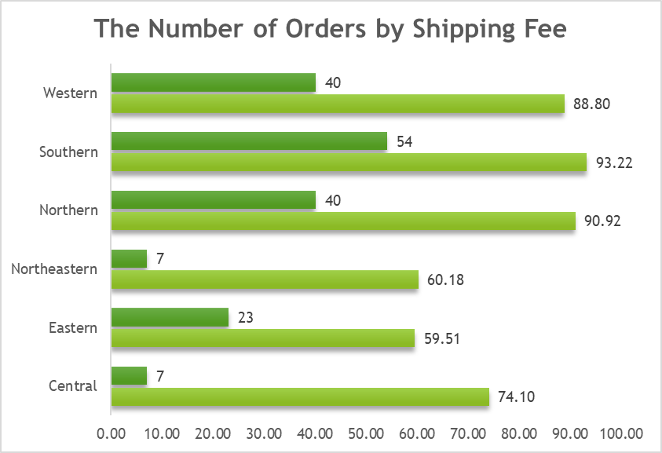
From this chart we can say that as the ber-months comes, the transaction trend stably increasing.
We can also see that it peaks at December meaning many orders this time around.
December is the month for Christmas it also means many people buys items that can be a gift to their loveones or special someone.
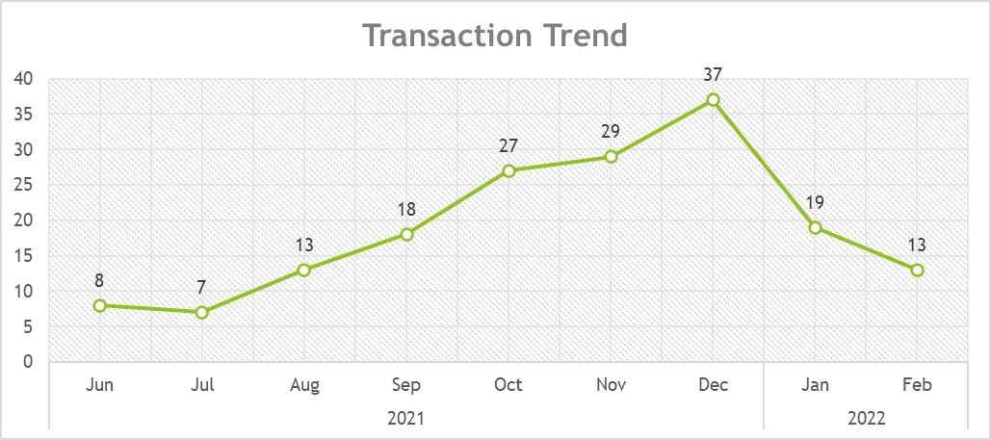

This chart explains the distribution of the order status in terms of percentage. As you can see
the order status peaks at December with a 21.05% of successful "Delivered to buyer" and a minimal
0.58% of "Returned to seller". It simply means we expect the high success rate in delivering items during
December. We also take to consideration about the fact that during the months of September and
February we have a result of 0% of "Returned to seller".
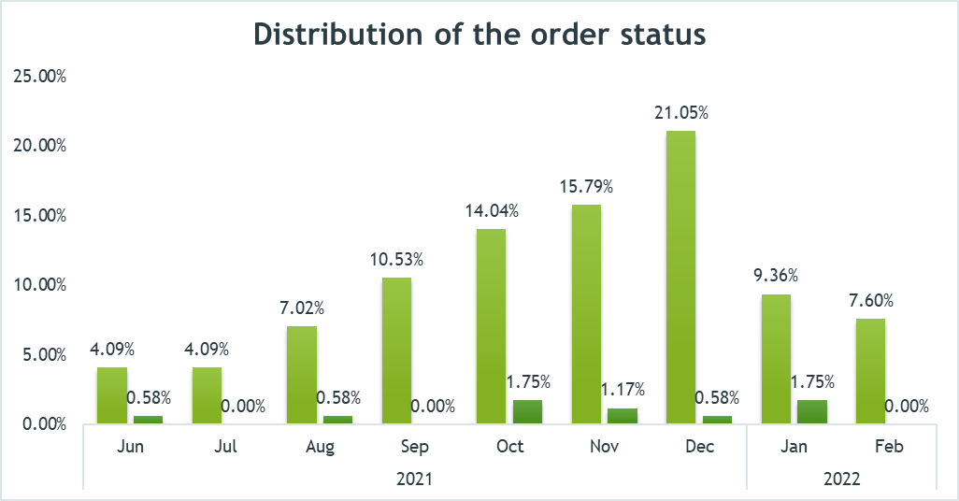

This chart explains the number or orders by shipping fee. Here, we can assess if the shipping fee
affects the number of orders. We can see that the shipping fee didn't affect the number of orders
or buyers even the average shipping fee is high. As you can see the 93.22 average of shipping fee
didn't affect the counts of orders having 54 in Southern Region. But some regions like Northeastern
and Central produces a lowest count having 7 order no.

